Bug Report
Bug ID | PROD_Bug_001 | Bug Reproduction Steps | Screenshot
Defect Description | The product title contains a syntax error, which impacts the display text on the Products page. | 1-Go to "https://www.saucedemo.com/". 2-Enter Username "stander_user". 3-Enter Password "secret_sauce". 4- Click Login. 5-Navigate to the Products page. 6-Locate the product titled "Test.allTheThings() T-Shirt (Red)" 7-Observe the product title text. | 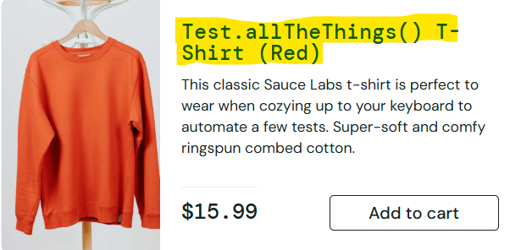
Module/Page | Products Page
Expected Result | The product title should be displayed correctly without any syntax errors "Red T-Shirt".
Actual result | The “Red T-Shirt product” displayed in proper formatting with programming-like syntax.
Severity | Minor
Priority | Low
Status | New
Reported By | Basant Draz
Reported Date | 15/8/2025
Assigned To | Mohamed Yehia
Enviroment | Web – Chrome v.138.0.7204.169 / Windows 10
Bug ID | PROD_Bug_002 | Bug Reproduction Steps | Screenshot
Defect Description | The product description contains a syntax error, affecting the content readability for users. | 1-Go to "https://www.saucedemo.com/". 2-Enter Username "stander_user". 3-Enter Password "secret_sauce". 4- Click Login. 5-Navigate to the Products page. 6-Locate the product that description contains "carry.allTheThings()". 7-Observe the product title text. | 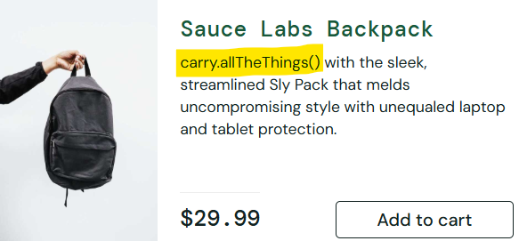
Module/Page | Products Page
Expected Result | The product description should be displayed correctly and clear without any syntax errors.
Actual result | The product description contains a syntax error,Description contains unrelated syntax "carry.allTheThings()".
Severity | Minor
Priority | Low
Status | New
Reported By | Basant Draz
Reported Date | 15/8/2025
Assigned To | Mohamed Yehia
Enviroment | Web – Chrome v.138.0.7204.169 / Windows 10
Bug ID | PROD_Bug_003 | Bug Reproduction Steps | Screenshot
Defect Description | The system does not allow adding more than one quantity of the same product to the cart. | 1-Go to "https://www.saucedemo.com/". 2-Enter Username "stander_user". 3-Enter Password "secret_sauce". 4- Click Login. 5-Navigate to the Products page. 6-Click "Add to Cart" on a product. 7-Attempt to add the same product again. | 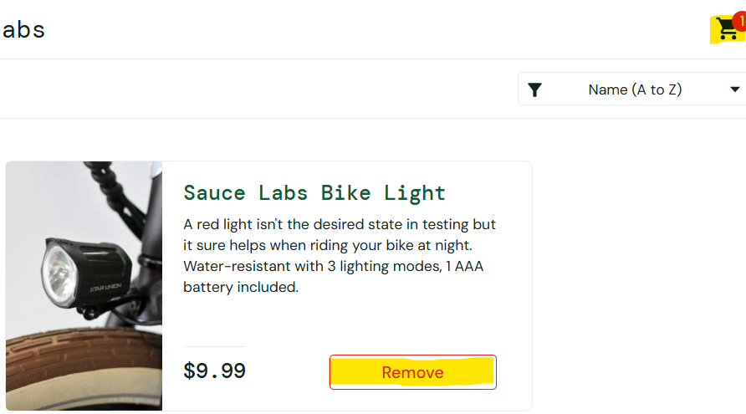
Module/Page | Products Page
Expected Result | The system should allow adding multiple quantities of the same product or provide an option to update quantity in the cart.
Actual result | The system does not allow adding the same product more than once to the cart.
Severity | Major
Priority | Meduim
Status | New
Reported By | Basant Draz
Reported Date | 15/8/2025
Assigned To | Mohamed Yehia
Enviroment | Web – Chrome v.138.0.7204.169 / Windows 10
Bug ID | CART_Bug_004 | Bug Reproduction Steps | Screenshot
Defect Description | The "Checkout" button is displayed even when the cart has no products. | 1-Go to "https://www.saucedemo.com/". 2-Enter Username "stander_user". 3-Enter Password "secret_sauce". 4- Click Login. 5-Navigate to the Cart page. 6-Ensure there are no products in the cart. 7-Observe the checkout button visibility. | 
Module/Page | Cart Page
Expected Result | The checkout button should be hidden or disabled when the cart is empty.
Actual result | The checkout button remains visible and clickable even when the cart is empty.
Severity | Critical
Priority | High
Status | New
Reported By | Basant Draz
Reported Date | 15/8/2025
Assigned To | Mohamed Yehia
Enviroment | Web – Chrome v.138.0.7204.169 / Windows 10
Bug ID | CART_Bug_005 | Bug Reproduction Steps | Screenshot
Defect Description | The footer links for "Terms of Service" and "Privacy Policy" are not clickable. | 1-Go to "https://www.saucedemo.com/". 2-Enter Username "stander_user". 3-Enter Password "secret_sauce". 4- Click Login. 5-Scroll down to the footer of any page. 6-Locate "Terms of Service" and "Privacy Policy" links. 7-Attempt to click them.
Module/Page | Products/Cart/Checkout Pages
Expected Result | Both links should be clickable and navigate to the corresponding pages.
Actual result | The links "Terms of Service","Privacy Policy" are not clickable.
Severity | Minor
Priority | Low
Status | New
Reported By | Basant Draz
Reported Date | 15/8/2025
Assigned To | Mohamed Yehia
Enviroment | Web – Chrome v.138.0.7204.169 / Windows 10
Bug ID | CHK_Bug_006 | Bug Reproduction Steps | Screenshot
Defect Description | The checkout form only allows entering a name, with no option to add contact details such as address or phone number. | 1-Go to "https://www.saucedemo.com/". 2-Enter Username "stander_user". 3-Enter Password "secret_sauce". 4- Click Login. 5-Navigate to the Products page and add a product. 6-Navigate to the Cart page. 7- Click Checkout button. 8-Review the form fields required for order completion. | 
Module/Page | Checkout Page
Expected Result | The checkout page should include fields for entering address and phone number.
Actual result | The checkout form only includes name fields and postal code, with no option for address or phone number.
Severity | Major
Priority | Meduim
Status | New
Reported By | Basant Draz
Reported Date | 15/8/2025
Assigned To | Mohamed Yehia
Enviroment | Web – Chrome v.138.0.7204.169 / Windows 10
Bug ID | CHK_Bug_007 | Bug Reproduction Steps | Screenshot
Defect Description | Multiple orders are assigned the same Order Code, causing duplication in order tracking. | 1-Go to "https://www.saucedemo.com/". 2-Enter Username "stander_user". 3-Enter Password "secret_sauce". 4- Click Login. 5-Navigate to the Products page and add a product. 6-Navigate to the Cart page. 7- Click Checkout button. 8-Fill fields required for order completion. 9-Review order information 10- repeat steps an Place another order. 11- Compare the Order SauceCodes of both orders. | 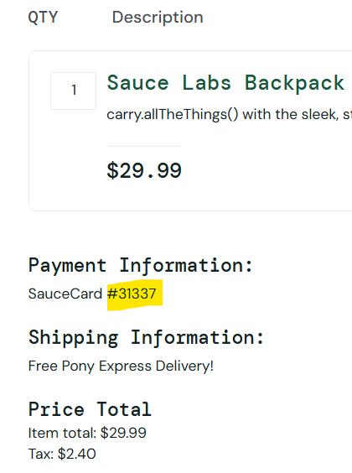 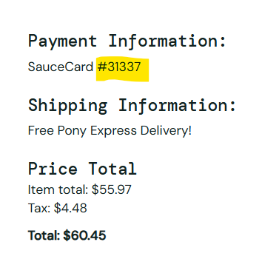
Module/Page | Checkout Page
Expected Result | Each order should have unique Saucecode & correct details.
Actual result | The shipment serial number remains the same for all orders
Severity | Critical
Priority | High
Status | New
Reported By | Basant Draz
Reported Date | 15/8/2025
Assigned To | Mohamed Yehia
Enviroment | Web – Chrome v.138.0.7204.169 / Windows 10
Bug ID | CHK_Bug_008 | Bug Reproduction Steps | Screenshot
Defect Description | The system allows completing an order even if the cart is empty, resulting in a $0 total. | 1-Go to "https://www.saucedemo.com/". 2-Enter Username "stander_user". 3-Enter Password "secret_sauce". 4- Click Login. 5-Navigate to the Cart page. 6-Ensure there are no products in the cart. 7- Click Checkout button. 8-Fill fields required for order completion. 9-Click on "Finish" Button. | 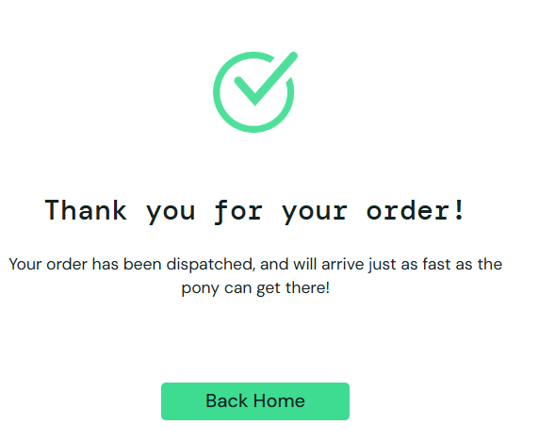
Module/Page | Checkout Page
Expected Result | The system should prevent placing an order with no products in the cart.
Actual result | The system allows placing an order with no products, resulting in $0 total.
Severity | Critical
Priority | High
Status | New
Reported By | Basant Draz
Reported Date | 15/8/2025
Assigned To | Mohamed Yehia
Enviroment | Web – Chrome v.138.0.7204.169 / Windows 10
Bug ID | CHK_Bug_009 | Bug Reproduction Steps | Screenshot
Defect Description | The postal code field validation allows entering fewer than the required 5 digits. | 1-Go to "https://www.saucedemo.com/". 2-Enter Username "stander_user". 3-Enter Password "secret_sauce". 4- Click Login. 5-Navigate to the Products page and add a product. 6-Navigate to the Cart page. 7- Click Checkout button. 8-Enter a postal code with fewer than 5 digits. 9-Proceed with the checkout.
Module/Page | Checkout Page
Expected Result | The system should validate the postal code to ensure exactly 5 digits are entered.
Actual result | The postal code field accepts fewer than 5 digits without any error message.
Severity | Major
Priority | Meduim
Status | New
Reported By | Basant Draz
Reported Date | 15/8/2025
Assigned To | Mohamed Yehia
Enviroment | Web – Chrome v.138.0.7204.169 / Windows 10

